Sheet1
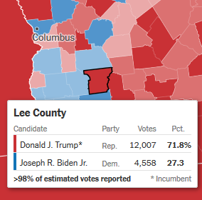
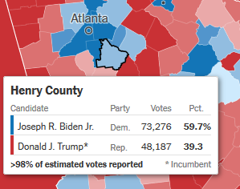
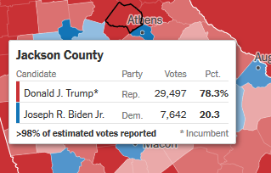
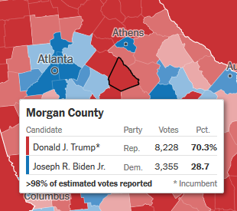
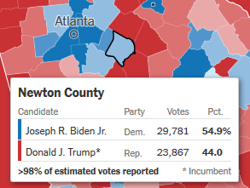
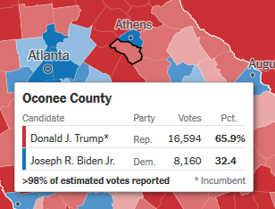
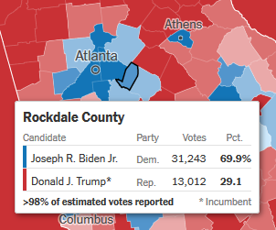
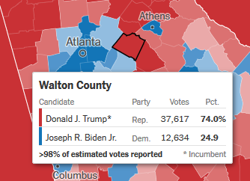
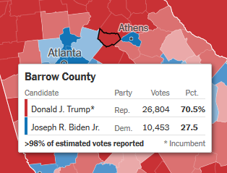
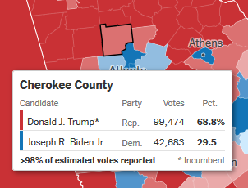
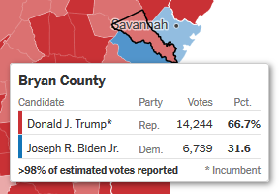
 |  |  | What Might Happen if You Reduced Trump & Biden Vote in Georgia
 |  |  | by the Percent Overage in Over-Registered Voter Counties*
1 | 2 | 3 | 4 | 5 | 6 | 7 | 8
 |  |  | Registered | Trump | Trump | Biden | Biden | Percent of Vote
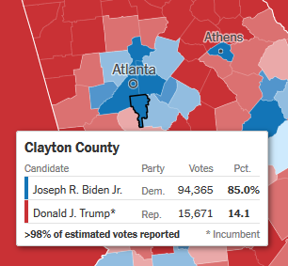
 |  | Nov 4th | Voter | as of | Reduced | as of | Reduced | Trump | Biden
County | Location | Vote Total | Percent | Nov 4 | Count | Nov 4 | Count | % | %
Fulton | Atlanta Center | 515,811 | 109 | 136,716 | 124,412 | 379,095 | 344,976 | 26.2 | 72.6
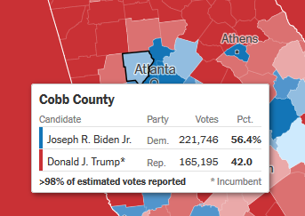
Gwinnett | Atlanta North | 408,240 | 104 | 166,413 | 159,756 | 241,827 | 232,154 | 40.2 | 58.4
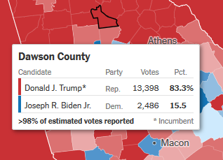
Cobb | Atlanta West | 386,941 | 104 | 165,195 | 158,587 | 221,746 | 212,876 | 42.0 | 56.4
DeKalb | Atlanta East | 365,157 | 105 | 58,170 | 55,262 | 306,987 | 291,638 | 15.7 | 83.1
Cherokee | Suburbs North | 142,157 | 109 | 99,474 | 90,521 | 42,683 | 38,842 | 68.8 | 29.5
Forsyth | Suburbs North | 127,258 | 114 | 85,081 | 73,170 | 42,177 | 36,272 | 65.8 | 32.6
Henry | Atlanta SE | 121,463 | 106 | 48,187 | 45,296 | 73,276 | 68,879 | 39.3 | 59.7
Clayton | Atlanta South | 110,036 | 105 | 15,671 | 14,887 | 94,365 | 89,647 | 14.1 | 85.0
Hall | Suburbs North | 89,107 | 100 | 64,105 | 64,105 | 25,002 | 25,002 | 70.9 | 27.6
Fayette | Suburbs South | 68,179 | 111 | 36,316 | 32,321 | 31,863 | 28,358 | 52.5 | 46.1
Douglas | Atlanta West | 67,976 | 101 | 25,323 | 25,070 | 42,653 | 42,226 | 36.8 | 62.0
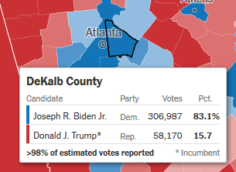
Newton | Atlanta SE | 53,648 | 100 | 23,867 | 23,867 | 29,781 | 29,781 | 44.0 | 54.9
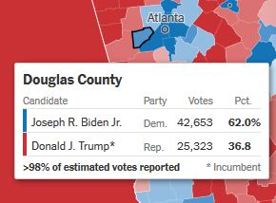
Walton | Suburbs NE | 50,251 | 102 | 37,617 | 36,865 | 12,634 | 12,381 | 74.0 | 24.9
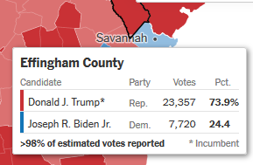
Rockdale | Atlanta SE | 44,255 | 102 | 13,012 | 12,752 | 31,243 | 30,618 | 29.1 | 69.9
Barrow | Atlanta NW | 37,257 | 101 | 26,804 | 26,536 | 10,453 | 10,348 | 70.5 | 27.5
Jackson | Rural East | 37,139 | 107 | 29,497 | 27,432 | 7,642 | 7,107 | 78.3 | 20.3
Effingham | Savannah | 31,077 | 103 | 23,357 | 22,656 | 7,720 | 7,488 | 73.9 | 24.4
Oconee | Rural East | 24,754 | 111 | 16,594 | 14,769 | 8,160 | 7,262 | 65.9 | 32.4
Bryan | Savannah | 20,983 | 118 | 14,244 | 11,680 | 6,739 | 5,526 | 66.7 | 31.6
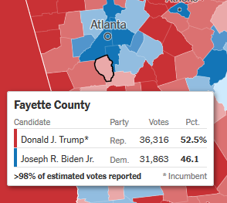
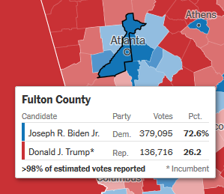
Lee | Rural West | 16,565 | 106 | 12,007 | 11,287 | 4,558 | 4,285 | 71.8 | 27.3
Dawson | Rural North | 15,884 | 113 | 13,398 | 11,656 | 2,486 | 2,163 | 83.3 | 15.5
Morgan | Suburbs East | 11,583 | 105 | 8,228 | 7,817 | 3,355 | 3,187 | 70.3 | 28.7
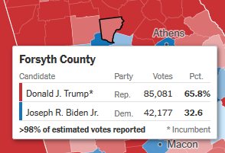
Greene | Suburbs East | 11,156 | 104 | 7,068 | 6,785 | 4,088 | 3,924 | 62.8 | 36.3

 |  |  | Totals | 1,126,344 | 1,057,488 | 1,630,533 | 1,534,943
 |  |  | Vote Loss |  | 68,856 |  | 95,591

 |  |  |  |  | Trump Margin Gain vs. Biden: | 26,735 | (potential) votes
*How was this Trump Margain Gain vs. Biden Calculated?
1. We took the Judicial Watch estimates of the percent of registered voters above and beyond the number of
eligible voters in each county of Georgia. See JW's sources on the Free Republic post
2. We then gathered the current vote totals for Trump and Biden from the New York Times Election site and inserted in columns 5 and 7
3. We then reduced each candidates vote count by the percentage of over-registered voters and posted in columns 6 and 8. For example, Fulton county over-registered percentage was 109%, so we reduced the totals by 9% in columns 5 and 7 to yield the Reduced Counts in columns 6 and 8.
3. We then totaled the difference between the November 4th amount reduced for each candidate.
Quick Analysis
4. The margin Trump gained here is an indicator of how much his margin would improve if votes were reduced at the same percentage as over-registered numbers. Elections don't count the number of registered voters to determine who wins. But this data shows the impact of illegal votes in the counties concerned.
5. Quick Analysis: The City of Atlanta voted heavily for Biden. Outside Atlanta is Trump country.


                

